Sheet1
PROBLEM
Name | Machine | Name | Device | OS
Roy | Laptop - Windows10 | Roy | Laptop | Windows10
Grace | Desktop, Laptop - Windows 11 | Grace | Desktop | Windows 11
RESULT
Joyce | Mobile - Android 13 | Grace | Laptop | Windows 11
Kelly | Laptop - Mac 14 | Joyce | Mobile | Android 13
Noah | Desktop - Windows 11, Mobile - Android 14, iOS 17 | Kelly | Laptop | Mac 14
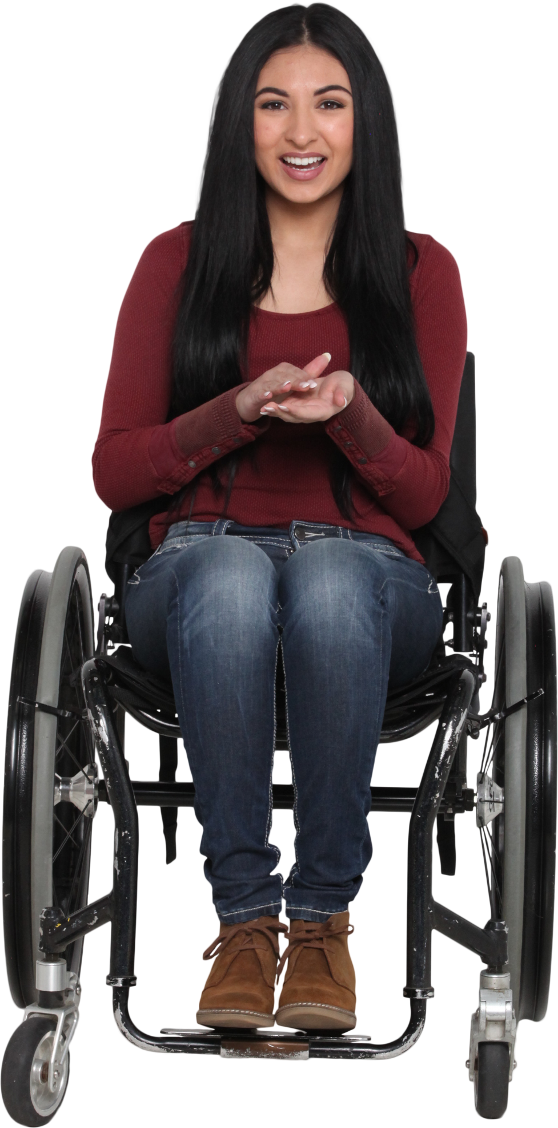
Gary | Laptop - Windows10, Mac 13, Mobile - iOS 16 | Noah | Desktop | Windows 11
 |  | Noah | Mobile | Android 14
 |  | Noah | Mobile | iOS 17
 |  | Gary | Laptop | Windows10
 |  | Gary | Laptop | Mac 13
 |  | Gary | Mobile | iOS 16

Normalise the table as shown.

